DASHBOARD
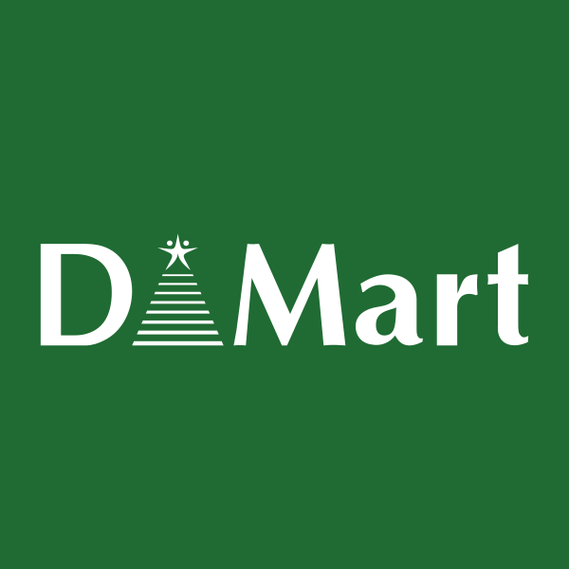
AVENUE SUPERMART Financial Model & Valuation
 | CONTENTS | Current trading price | 3751
 | >>> Assumption | Valuation
 | >>> Income statement | DCF | 459
 | >>> Balance sheet | Residual income | 1059
 | >>> Cash flow statement | Price to book | 3468.1 To 4130.3
 | >>> DCF | Price to sales | 3325.1 To 4670.9
 | >>> Residual income | Composite value | 2040
 | >>> Relative valuation
 | >>> Ratio analysis | DECISION | SELL
 | >>> Charts |  |  | Tolerance limit | 10%
OVERVIEW
DMart Ltd., headquartered in Mumbai, is a leading Indian retail chain known for its innovative store formats and extensive product offerings across food,
general merchandise, and home solutions categories. With a focus on providing quality products at affordable prices, DMart has established a strong presence
throughout India, offering customers a unique shopping experience.

Charts
Activity Ratio
 | Accounts payable turnover | Account inventory turnover | Accounts receivable turnover
 | 36.70 | 10.57 | 311.53
 | 47.07 | 11.87 | 594.14
 | 40.64 | 9.80 | 771.08
 | 45.23 | 10.58 | 562.94
 | 54.18 | 12.16 | 665.93
Liquidity Ratio
 | current ratio | quick ratio | cash ratio
2019A | 1.70 | 0.39 | 0.10
2020A | 3.23 | 0.55 | 0.15
2021A | 3.67 | 1.64 | 0.17
2022A | 2.83 | 0.57 | 0.08
2023A | 3.71 | 1.50 | 0.14
DASHBOARD

Profitability Ratio
 | Gross profit margin | operating profit margin | net profit margin | return on asset | return on equity
 | 15% | 7% | 5% | 13% | 16%
 | 15% | 7% | 5% | 14% | 12%
 | 16% | 6% | 5% | 9% | 9%
 | 15% | 7% | 5% | 11% | 11%
 | 15% | 7% | 6% | 14% | 15%
Revenue
2019A | 20053
2020A | 24930
2021A | 24339
2022A | 31094
2023A | 42969
2024E | 52028
2025E | 62938
2026E | 72379
2027E | 83236
2028E | 95721

